Sheet1
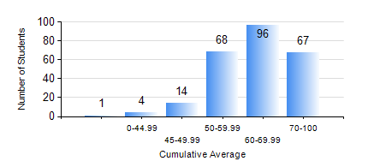
 |  |  | KWAME NKRUMAH UNIVERSITY OF SCIENCE AND TECHNOLOGY, KUMASI Department of Computer Engineering

 |  |  | BSC. COMPUTER ENG.

 |  |  | COMPREHENSIVE RECORD OF EXAMINATION RESULTS

 |  |  | RESULTS OF YEAR 3 FIRST SEMESTER, 2022/2023 ACADEMIC YEAR

 | Sn | Course Code |  | Course Name | Credit Hours | Min. Mark | Max. Mark | Avg. Mark | Std. Dev. | No. Passed | No. Trailed | No. (Df) | No. (I) | No. (I*) | No. Tagged(I,I*,Df) | Total
 | 0. |  |  |  |  |  |  | 0 | 0 | 0 | 0 | 0 | 0 | 0 | 0 | 14
 | 1. | COE 351 |  | OBJECT ORIENTED PROGRAMMING | 4 | 0 | 99 | 67 | 22.49 | 214 | 21 | 0 | 1 | 0 | 1 | 236
 | 2. | COE 353 |  | INFORMATION THEORY | 2 | 0 | 93 | 66 | 14.6 | 224 | 10 | 1 | 1 | 0 | 2 | 236
 | 3. | COE 371 |  | LINEAR ELECTRONIC CIRCUITS | 3 | 2 | 92 | 52 | 15.38 | 219 | 17 | 0 | 0 | 0 | 0 | 236
 | 4. | COE 381 |  | MICROPROCESSORS | 3 | 18 | 97 | 70 | 14.79 | 233 | 3 | 0 | 0 | 0 | 0 | 236
 | 5. | COE 387 |  | CLASSICAL CONTROL SYSTEMS | 3 | 7 | 85 | 63 | 12.38 | 235 | 1 | 0 | 0 | 0 | 0 | 236
 | 6. | MATH 351 |  | NUMERICAL ANALYSIS | 2 | 3 | 88 | 54 | 14.49 | 203 | 33 | 0 | 0 | 0 | 0 | 236
 | 7. | STAT 253 |  | PROBABILITY AND STATISTICS | 2 | 0 | 89 | 50 | 13.12 | 203 | 33 | 0 | 0 | 0 | 0 | 236

